Rest Trust Settings Instruction
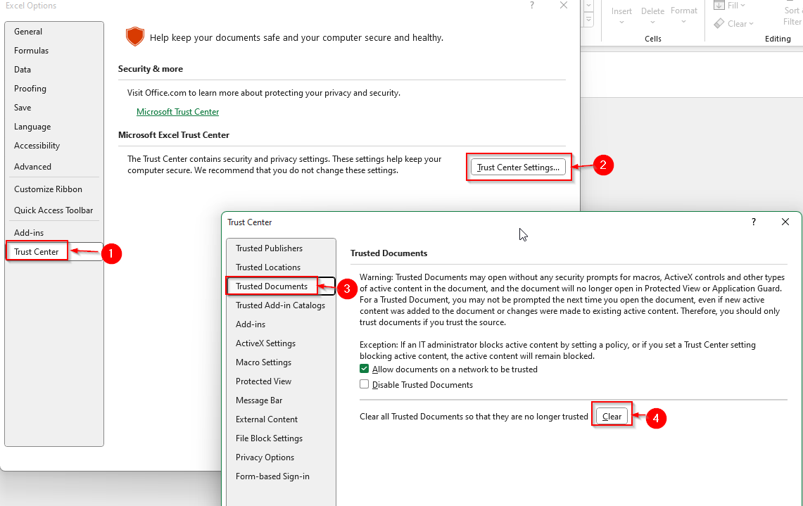
In Excel click on ‘file’ at the top then on the bottom left click ‘options’. Then click 1-Trust Center, 2-Trust Center Settings, 3-Trusted Documents, 4-clear. Hit OK or yes if it asks you to confirm. Close the file and reopen and it will ask again if you want to enable macros (select yes) and then ask if you want to trust the document (be sure to hit yes). If you hit no you will have to do this process over again. If you still have issues contact Austin Sapp (as7454).

Optical Budget Diagram
User Inputs - Backbone Feeder Splice Spacing
- default modeled every 4000 feet
M
Lateral Feeder Splice at PFP.
1 Every PFP
 |  |  | Wall Fiber Jack
B
W
C
O
Fiber Drop,
500 feet
U
Last
manhole
A
Distribution Splice 4 Per DA
Y
R
CO Vault
 |  |  |  | Design Point | Description | Loss Description
 |  |  |  | A | Power output at PON laser | Assume no Loss
 |  | Inside Wall Fiber |  | B | Connector Loss | UPC Connector Loss assume
Z2
Z1
 |  |  |  | Not Shown | Maintenance Budget | Degradation, Std Deviation, Aging, etc
 |  |  |  | C | FOT Panel | No Loss
PON-OLT
System
FOT Panel
C2
Next Gen
PON System
Inside ONT
 |  |  |  | D | No loss | No lLoss
F
 |  |  |  | E | WDM1r Diplexer routes PON signals from GPON and NGPON onto common fiber
C1
C4
 |  |  |  | F | Mated UPC Connector Pair FOT | UPC Connector Loss
P1
P7
 |  |  |  | G | Fiber Jumper | Assume no Loss
C3
N
 |  |  |  | H | Mated UPC Connector Pair OSP | UPC Connector Loss
Early FTTP
used
Splice
 |  |  |  | I | Potential Attenuator | If used You MUST enter -5.0
 |  | Fiber Inside |  | J | Fiber Tail to first Splice Point | Assume no Loss
 |  |  |  | K | First Splice Point (Cable Vault or 1st Manhole) | Ribbon Fiber Fusion Splice Loss
D
K
S
X
 |  |  |  | L | Backbone Feeder Fiber Loss | Fiber loss varies by distance
 |  |  |  | M | Backbone Feeder Splice Loss | Assume 1 splice PER 4KFT
L
V
 |  |  | Inside Fiber Jumper | N | Connector for Plug and Play splitter at Feeder side | SC/APC connector for Plug and Play in 2007, Legacy 2003- 2006 FTTP used fusion splicing
 |  |  |  | O | PFP Location | Assume no fiber cable loss beyond splitter loss and connectors
P8
 | Fiber Box Outside w/ Connector |  |  | P | 1x32 Coupler loss | Varies by Coupler Quality - Contract based values used
Backbone Feeder includes
feeder lateral to PFP. Length
in feet
 |  |  |  | Q | Splitter outputs to Distr. Field connector loss | SC/APC connector for Plug and Play since 2003 FTTP in AT&T affiliates
FOT
Termination
P4
OSP
Q
 |  |  |  | R | Distribution Fusion Splices in the Distribution Area | Assume for DA 4 fusion splice loss for a ribbon
MTP-12 Connector i.e. Corning OptiTip
 |  |  |  | S | Distribution loss by length | Varies by length
E
FDF
C7
C6
 |  |  |  | T | Fiber Serving Terminal Serving Location
Building
Cable
J
P
T
 |  |  |  | U | Drop of 500 feet is assumed | Drop attach at terminal using connector - LightGig Design
SC/APC Connector
 |  |  |  | V | Fiber Box added for Indoor ONT Cases only - Mated Connector Pair | Outside Home Fiber Box with 1 Connector
 |  |  |  | W | Wall Jack - Mated Connector Pair | Added a connector pair near ONT for Light Gig
SC/UPC Connector
 | Fiber Serving Terminal |  |  | X | Connectorized Fiber Jumper - Wall Jack to ONT | Negligible length-negligible loss, connector loss dominates. No indoor microbending is included.
F
C11
 |  |  |  | Y | ONT Fiber Connector | Assume no Loss - Included in Alcatel budget
1:32 or 1:16 PON Coupler
 |  |  |  | DA | Micro Bending - excessive bending of fiber at Serving Terminal and in-home | Use 0.2/0.3 dB per occurance for 1310 nm/1490 nm associated with outside plan locations with hands in plan at PFP and at the Serving Terminal
Fusion Splice
 |  |  |  | Z1 | 12 Fiber Ribbon connector Corning Opti-Tip
 |  |  |  | Z2 | 12 Fiber Ribbon connector Corning Opti-Tip
G
H
I
WDM diplexer - combines a ITU-T G.984.5 G-PON and a G.987.2 compliant NG-PON signal into common fiber for upgrades to new equipment over decades of use without rework at splitter cabinet, next Gen PON ONT must be placed for this or any new PON replacement in future. Loss includes a SC connector on both ends for maximum flexibility in placement in office. AT&T has not pre-deployed in offices as of 2013. XG-PON uses 1575-1580 nm OLT Tx width, 1260-1280 nm from ONT's.

F
Field installed Fiber Connection to Premises side of Drop to avoid slack storage, i.e. Crimplok 3M, or Corning

Updated 6/3/2014 Kent McCammon and Stan Fory

